Coverpage

49
49
49
25
25
18
18
33
33
33
9
9
7
7
7
8
c
c

DREAMCATCHER

Toto 7/49 Generator Programmed By Remy Lim 2017 Jan

Instructions Manual
Instructions Manual
1. Goto Main Page
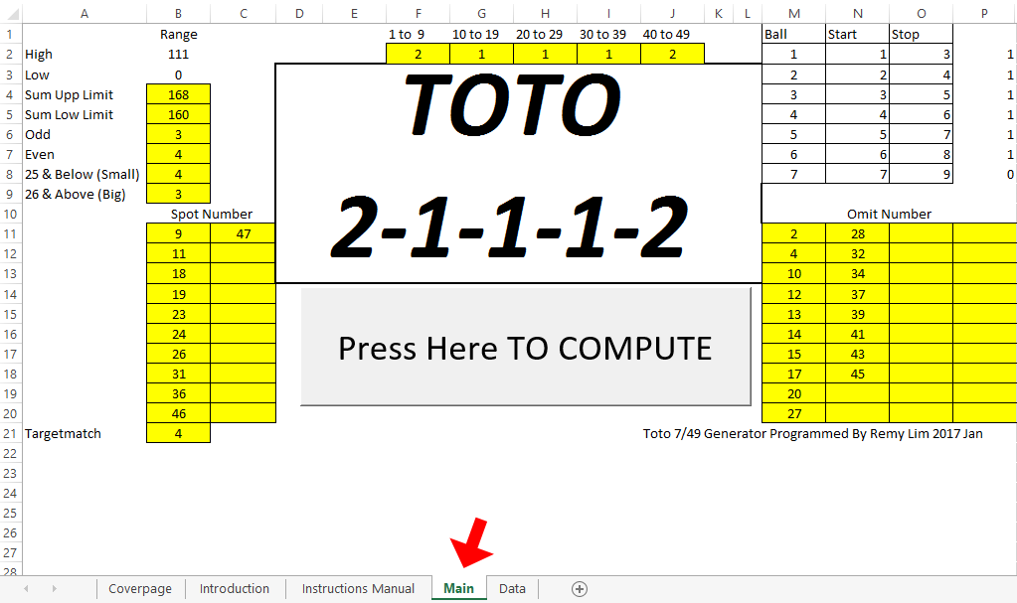
2. Enter your prediction interms of the possibile amount of numbers in each grouping of the coming draw (F2,G2,H2,I2 &J2)
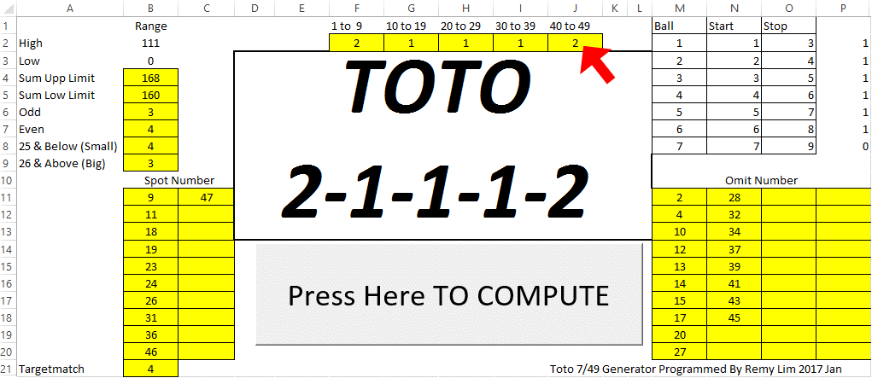
3. Enter your prediction of the total sum range in the coming draw ( B4 (Upper Limit)& B5(Lower Limit))
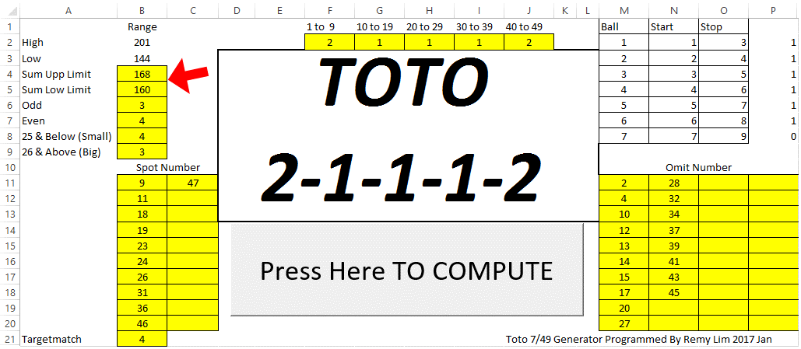
4. Upper Limt Sum must be higher than Lower Limit Sum. Ensure either Upper or Lower Limit range fall inbetween the grouping Max & Min Sum
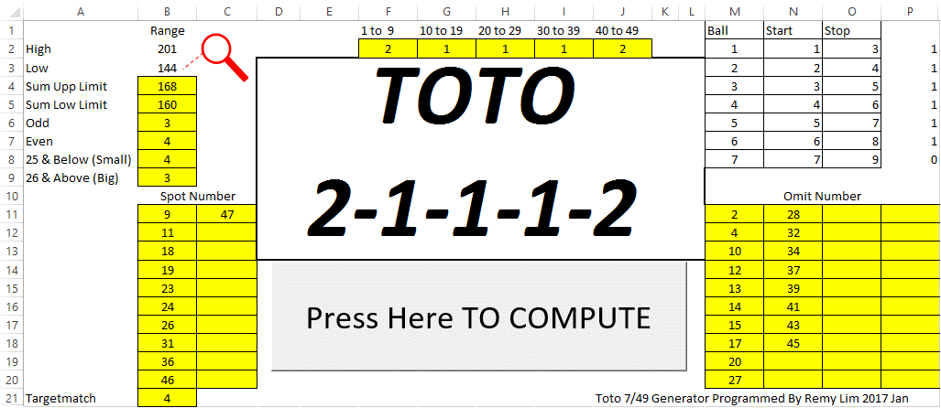
5. Enter your prediction number of odd and even in the coming draw (B6 (Odd) & B7(Even)) - Total of both Odd and Even must be 7
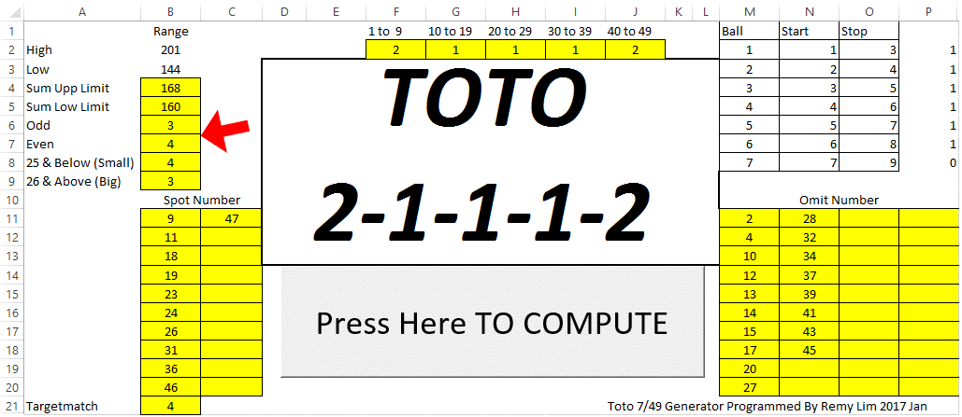
6. Enter you prediction of big and small total of numbers in the coming draw (B8 (Small) & B9(Big)) . Small :1 to 25 , Big : 26 to 49
7. Total of both Big & Small must be 7 . Ensure that these number fits into the assumption of the grouping prediction you made earlier.
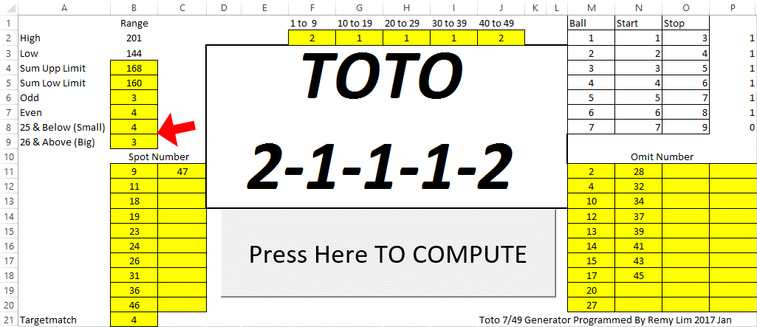
8. Determine between 1 to 20 numbers that you predict may come in the coming draw.(Enter Min 1 number,Enter zero to omit the rest, do not duplicate numbers except zeros) Enter into B11,B12,B13,B14 ,B15,B16,B17,B18,B19,B20,C11…C20
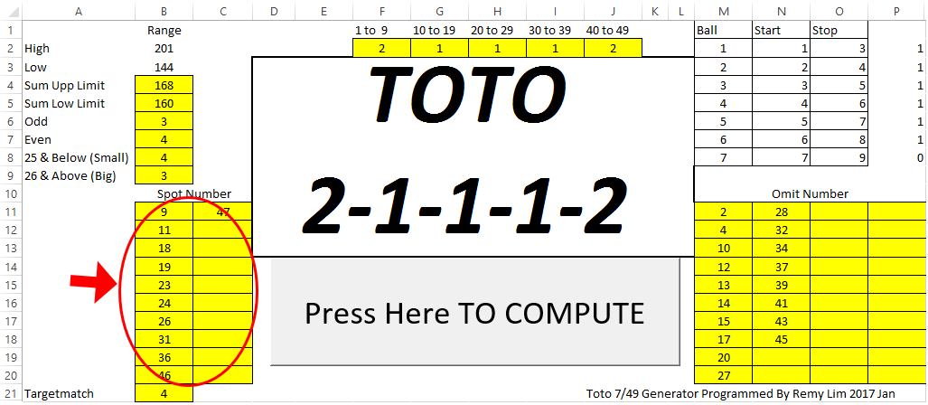
9. Enter the minimum number of match within the numbers determined earlier (Min 1 number, Max 5 number) into B21
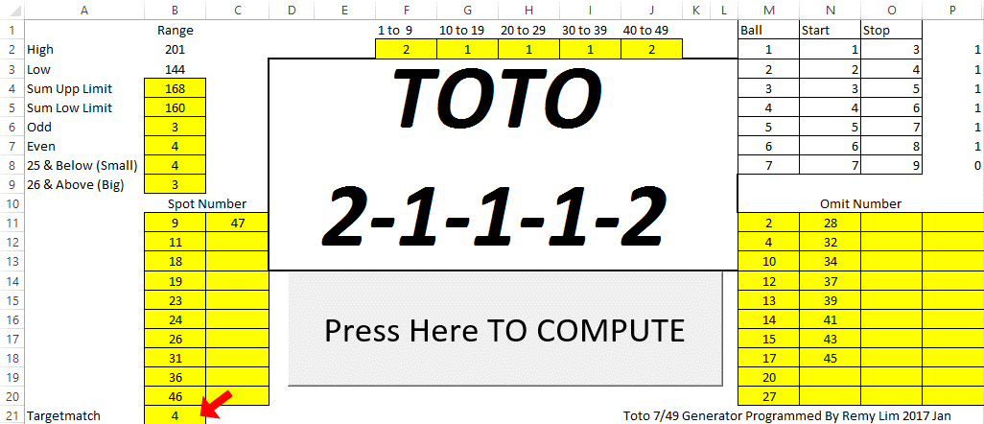
10.Determine between 1 to 40 numbers that you predict will not come in the coming draw.(Enter Min 1 number,Enter zero to omit the rest,do not duplicate numbers except zeros) Enter intoM11,M12,M13,M14 ,M15,M16,M17,M18,M19,M20,P11…P20
11. In the event when the same number were predicted in Spot and Omit, Number will be omitted.
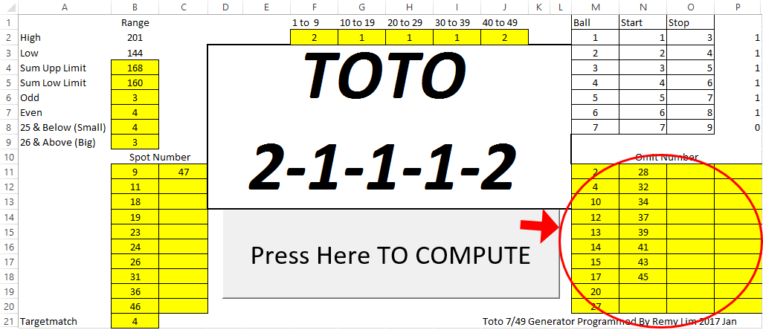
12. Hit "Press Here to Compute" , system will start computing, System will switch automatically to Data Page, sit back and relax as it may take a long time depends on the grouping pattern you entered.
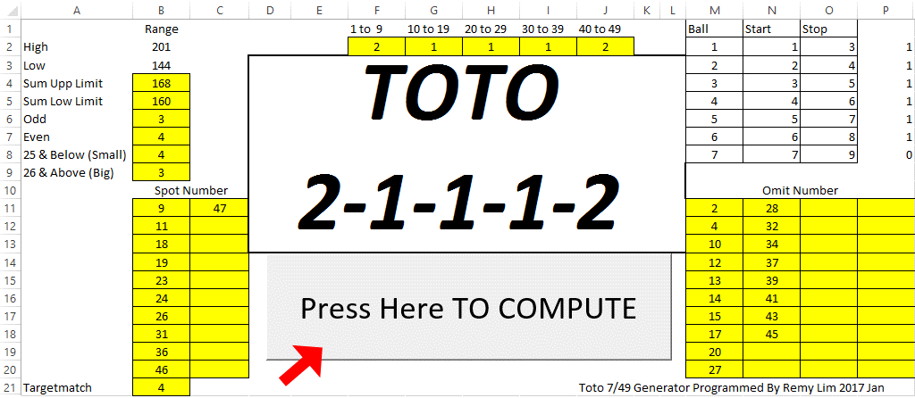
You can hit "ESC" anytime to End.
You can see the progress of the Yellow/RED bar indicating the status. Est End predicts the estimated time the program will stop running.
You will see in Data Page:K2 if the program is hanged or still processing.
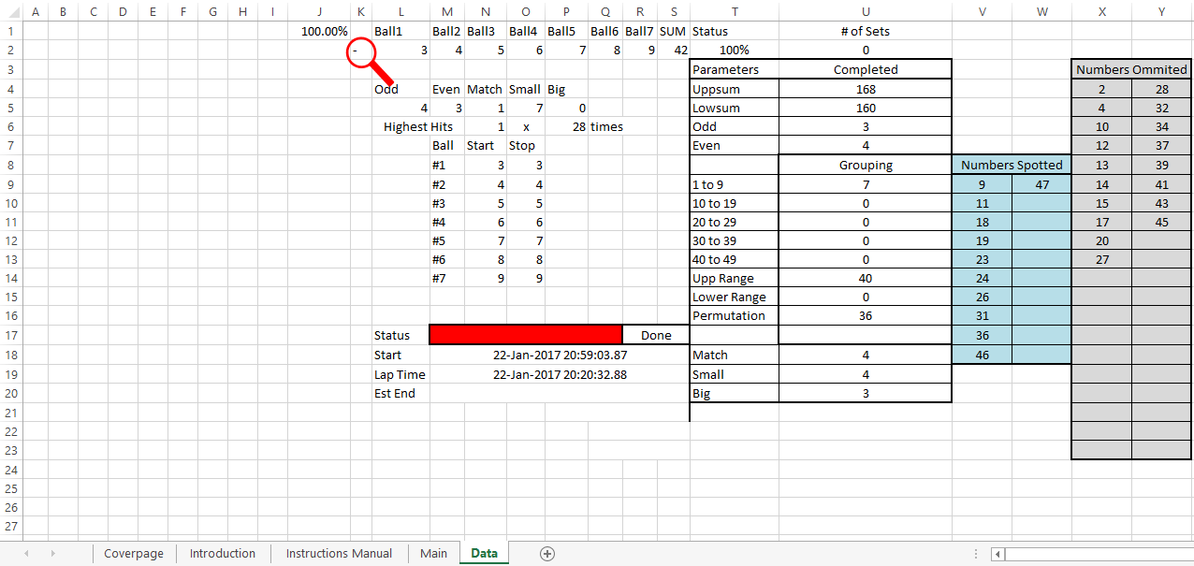
The number of matched combination will be shown in Data Page :U2.
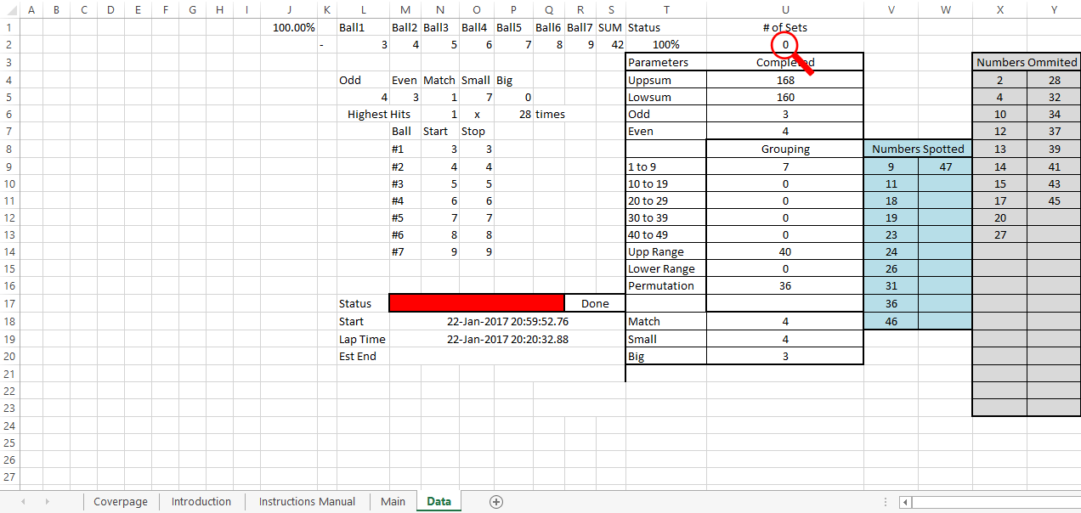
Data Page:Column B to H are the actual Sets of System 7 bet
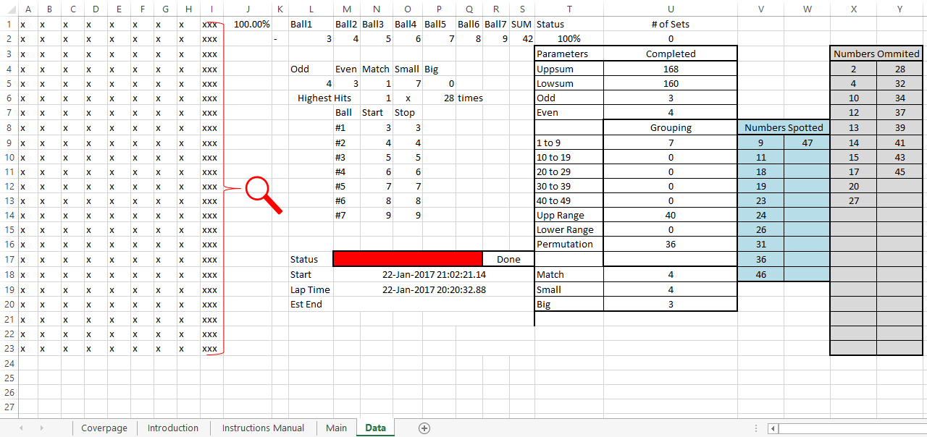
**Note: The intention of this program is to help gamblers to place their bets wisely, it is not advisable to bet if the system shows multiple sets of matched combinations.
The objective of this program is to help gamblers to realise the slim probability to win a lottery. This program is a tool to calculate and minimize foolish, irrational, additive and excessive betting.
We will not be responsible for any of the outcome for purchasing or using this program.

